Sheet1
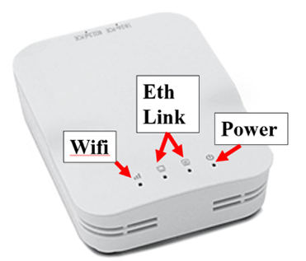
LED Status Lights

RoboRio
 | State | Colour | Meaning
Power
* | Solid | Green | Power is good
 | Solid | Amber | Brownout protection tripped, outputs disabled
 | Solid | Red | Power fault, check user rails for short circuit
Status
 | Solid | Amber | RoboRio is booting (or unrecoverable error)
* | Off | <none> | RoboRio is booted
 | 2 blinks | Amber | Software error, reimage roboRIO
 | 3 blinks | Amber | Safe Mode, restart roboRIO, reimage if not resolved
 | 4 blinks | Amber | Software crashed twice without rebooting, reboot roboRIO, reimage if not resolved
 | Blinking | Amber | Unrecoverable error
Radio
* | Off | <none> | Not currently implemented
Comm
 | Off | <none> | No Communication
 | Solid | Red | Communication with DS, but no user code
 | Blinking | Red | E-stop
* | Solid | Green | Good communication with DS
Mode
 | Off | <none> | Outputs disabled (robot in Disabled, brown-out, etc.)
 | Solid | Amber | Autonomous Enabled
* | Solid | Green | Teleop Enabled
 | Solid | Red | Test Enabled
RSL (Robot Status Light)
 | Solid | Amber | Robot On and Disabled
* | Blinking | Amber | Robot On and Enabled
 | Off | <none> | robot Off, roboRIO not powered

Power Distribution Panel
 | State | "Stat" | "Comm" | Meaning
* | Blinking | Green | Green | No fault
 | Blinking | Amber | Amber | Sitcky fault (see Web UI)
 | Blinking | Red | Red | No CAN comms
 | Solid | Red | Amber | Damaged hardware
 | Solid | Green | Amber | In bootloader
 | Off & Off | <none> | <none> | No power / Incorrect polarity

Voltage Regulator Module
12V or 5V
 | State | Colour | Meaning
* | Solid | Green | Functioning properly
 | Dim or Off | Green | Output shorted or drawing too much current

Pneumatics Control Module
 | State | "Stat" | "Comm" | Meaning
* | Blinking | Green | Green | No fault
 | Blinking | Amber | Amber | Sitcky fault (see Web UI)
 | Blinking | Red | Red | No CAN comms or Solenoid fault (blinks red solenoid index LED)
 | Long Blink | Red | Red | Compressor fault
 | Solid | Red | Amber | Damaged hardware
 | Solid | Green | Amber | In bootloader
 | Off & Off | <none> | <none> | No power / Incorrect polarity

Talon-SRX Motor Controller
2 Status LEDs
 | Mode | State 1 | State 2 | Meaning
* | Both on | Green | Green | Forward throttle (proportional to duty cycle)
* | Both on | Red | Red | Reverse throttle (proportional to duty cycle)
or | Both on | Off | Off | No power
* | Alternate | Off | Amber | CAN bus detected, robot disabled
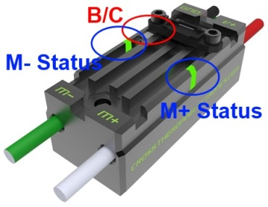
 | Alternate | Off | Slow Red | Can bus/PWM is not detected
 | Alternate | Off | Fast Red | Fault detected
 | Alternate | Red | Amber | Damaged hardware
 | Strobe M+ | Off | Red | Forward limit switch or soft limit
 | Strobe M- | Off | Red | Reverse limit switch or soft limit
 | M+ Altern. | Green | Amber | In bootloader
 | Blinking | Red | Green | Calibration mode
 | Blinking | Green | Green | Successful calibration
 | Blinking | Red | Red | Failed calibration
B/C CAL LED
 | State | Colour | Meaning
* | Solid | Red | Brake mode
 | Off | <none> | Coast mode

* = normal operation state

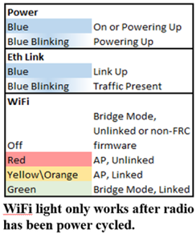
OpenMesh OM5P-AC Radio (or old OM5P-AN pictured)

